PURCHASE ORDER
 |  |  | CHIC LEATHER BELTS for MEN

 | ARTICLE | DESCRIPTION | CODE | COLOR | Made In | COMPOSITION | SIZE | QUANTITY - 16,864 | RECOMMENDED RETAIL PRICE 95€ | PURCHASE QUANTITIES | TOTAL PURCHASE ORDER
 | U31FER1001 | REVERSIBLE BLACK AND BROWN BELT in 100% LEATHER. The Buckle can easily switch with a sturdy clip to both sides. | C211 | Black/Brown | Made in Italy | 100%Leather | UNIQUE SIZE - FITS ALL | 1415 | 95 €
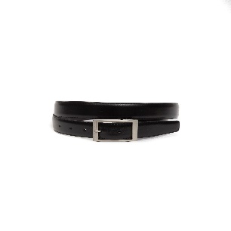 | U31FER1002 | REVERSIBLE BLACK AND BROWN BELT in 100% LEATHER. The Buckle can easily switch with a sturdy clip to both sides. | 213 | Black/Brown | Made in Italy | 100%Leather | UNIQUE SIZE - FITS ALL | 57 | 95 €
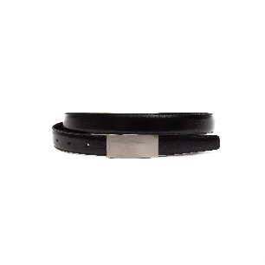 | U31FER1003 | REVERSIBLE BLACK AND BROWN BELT in 100% LEATHER. The Buckle can easily switch with a sturdy clip to both sides. | C214 | Black/Brown | Made in Italy | 100%Leather | UNIQUE SIZE - FITS ALL | 1864 | 95 €
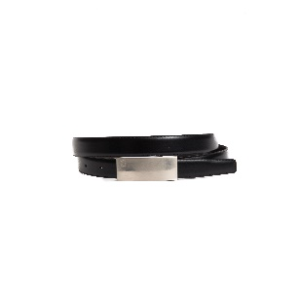 | U31FER1004 | REVERSIBLE BLACK AND BROWN BELT in 100% LEATHER. The Buckle can easily switch with a sturdy clip to both sides. | 215 | Black/Brown | Made in Italy | 100%Leather | UNIQUE SIZE - FITS ALL | 1762 | 95 €
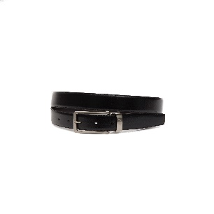 | U31FER1005 | REVERSIBLE BLACK AND BROWN BELT in 100% LEATHER. The Buckle can easily switch with a sturdy clip to both sides. | 216 | Black/Brown | Made in Italy | 100%Leather | UNIQUE SIZE - FITS ALL | 109 | 95 €
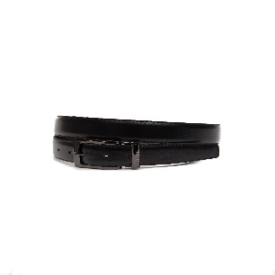 | U31FER1006 | REVERSIBLE BLACK AND BROWN BELT in 100% LEATHER. The Buckle can easily switch with a sturdy clip to both sides. | C220 | Black/Brown | Made in Italy | 100%Leather | UNIQUE SIZE - FITS ALL | 1681 | 95 €
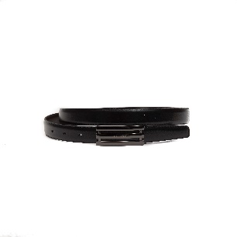 | U31FER1007 | REVERSIBLE BLACK AND BROWN BELT in 100% LEATHER. The Buckle can easily switch with a sturdy clip to both sides. | 222 | Black/Brown | Made in Italy | 100%Leather | UNIQUE SIZE - FITS ALL | 3581 | 95 €
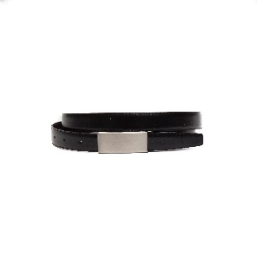 | U31FER1008 | REVERSIBLE BLACK AND BROWN BELT in 100% LEATHER. The Buckle can easily switch with a sturdy clip to both sides. | C218 | Black/Brown | Made in Italy | 100%Leather | UNIQUE SIZE - FITS ALL | 40 | 95 €
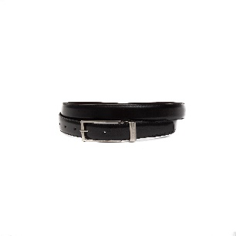 | U31FER1009 | REVERSIBLE BLACK AND BROWN BELT in 100% LEATHER. The Buckle can easily switch with a sturdy clip to both sides. | C217 | Black/Brown | Made in Italy | 100%Leather | UNIQUE SIZE - FITS ALL | 13 | 95 €
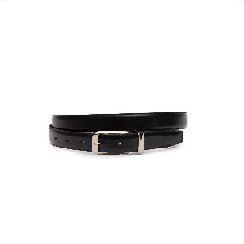 | U31FER1010 | REVERSIBLE BLACK AND BROWN BELT in 100% LEATHER. The Buckle can easily switch with a sturdy clip to both sides. | C223 | Black/Brown | Made in Italy | 100%Leather | UNIQUE SIZE - FITS ALL | 528 | 95 €
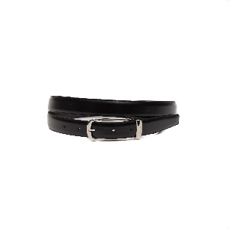 | U31FER1011 | REVERSIBLE BLACK AND BROWN BELT in 100% LEATHER. The Buckle can easily switch with a sturdy clip to both sides. | C212 | Black/Brown | Made in Italy | 100%Leather | UNIQUE SIZE - FITS ALL | 1212 | 95 €
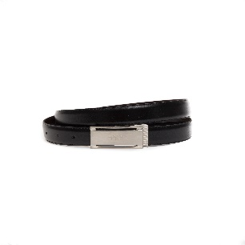 | U31FER1013 | REVERSIBLE BLACK AND BROWN BELT in 100% LEATHER. The Buckle can easily switch with a sturdy clip to both sides. | C225 | Black/Brown | Made in Italy | 100%Leather | UNIQUE SIZE - FITS ALL | 495 | 95 €
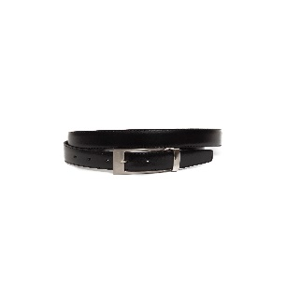 | U31FER1014 | REVERSIBLE BLACK AND BROWN BELT in 100% LEATHER. The Buckle can easily switch with a sturdy clip to both sides. | C224 | Black/Brown | Made in Italy | 100%Leather | UNIQUE SIZE - FITS ALL | 471 | 95 €
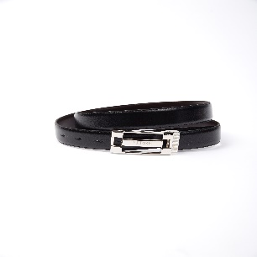 | U31FER1015 | REVERSIBLE BLACK AND BROWN BELT in 100% LEATHER. The Buckle can easily switch with a sturdy clip to both sides. | C210 | Black/Brown | Made in Italy | 100%Leather | UNIQUE SIZE - FITS ALL | 1048 | 95 €
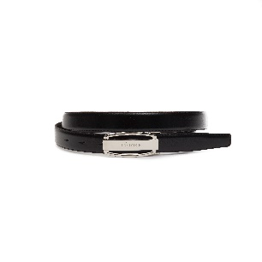 | U31FER1016 | REVERSIBLE BLACK AND BROWN BELT in 100% LEATHER. The Buckle can easily switch with a sturdy clip to both sides. | C221 | Black/Brown | Made in Italy | 100%Leather | UNIQUE SIZE - FITS ALL | 70 | 95 €
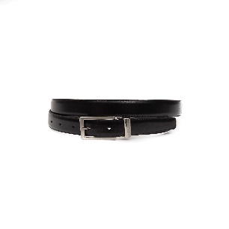 | U31FER1018 | REVERSIBLE BLACK AND BROWN BELT in 100% LEATHER. The Buckle can easily switch with a sturdy clip to both sides. | C216 | Black/Brown | Made in Italy | 100%Leather | UNIQUE SIZE - FITS ALL | 1053 | 95 €
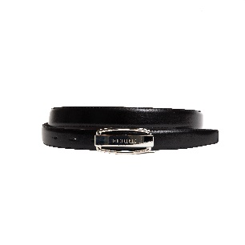 | U31FER1020 | REVERSIBLE BLACK AND BROWN BELT in 100% LEATHER. The Buckle can easily switch with a sturdy clip to both sides. | 0C221 | Black/Brown | Made in Italy | 100%Leather | UNIQUE SIZE - FITS ALL | 1403 | 95 €
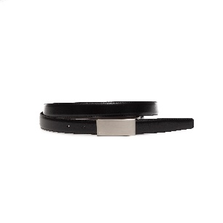 | U31FER1021 | REVERSIBLE BLACK AND BROWN BELT in 100% LEATHER. The Buckle can easily switch with a sturdy clip to both sides. | 218bis | Black/Brown | Made in Italy | 100%Leather | UNIQUE SIZE - FITS ALL | 44 | 95 €
 |  |  |  |  |  |  |  | 16846

